Sheet1
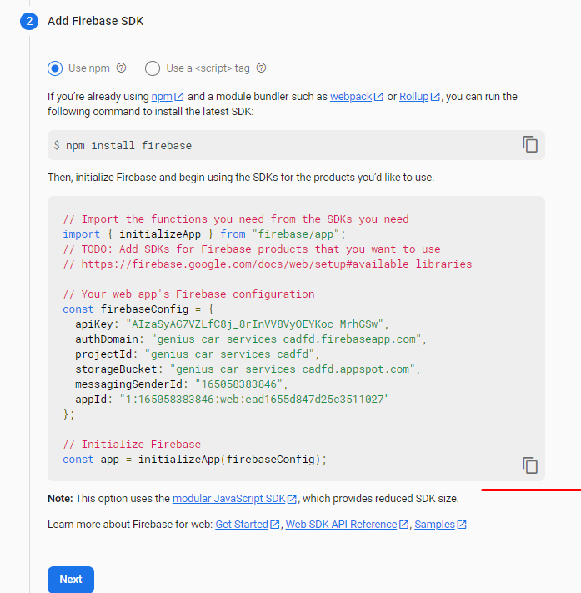
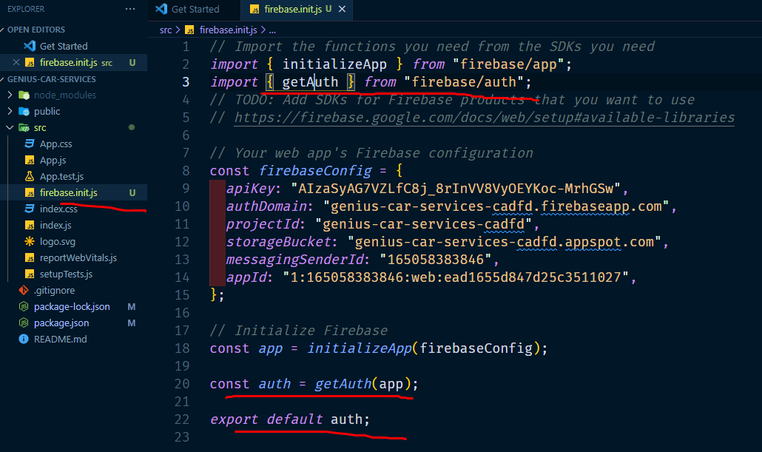
1 | https://console.firebase.google.com/

 |  | add project + |  | >

 |  | enter your project name> |  |  | continue | >

 |  | enable google analytics off korete hobe |  |  |  | >

 |  | create project
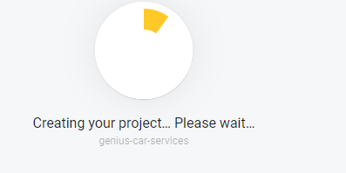

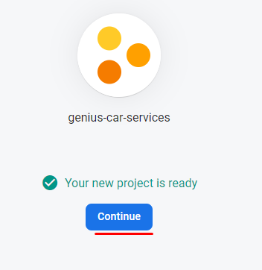



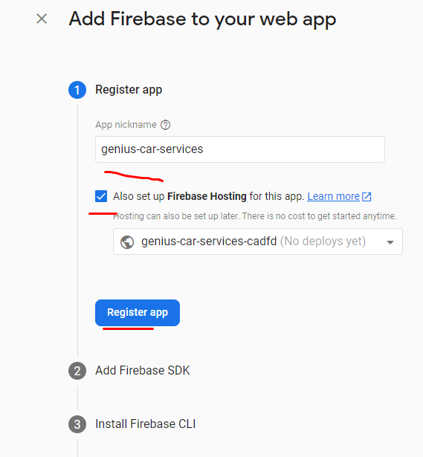

 | install firebase
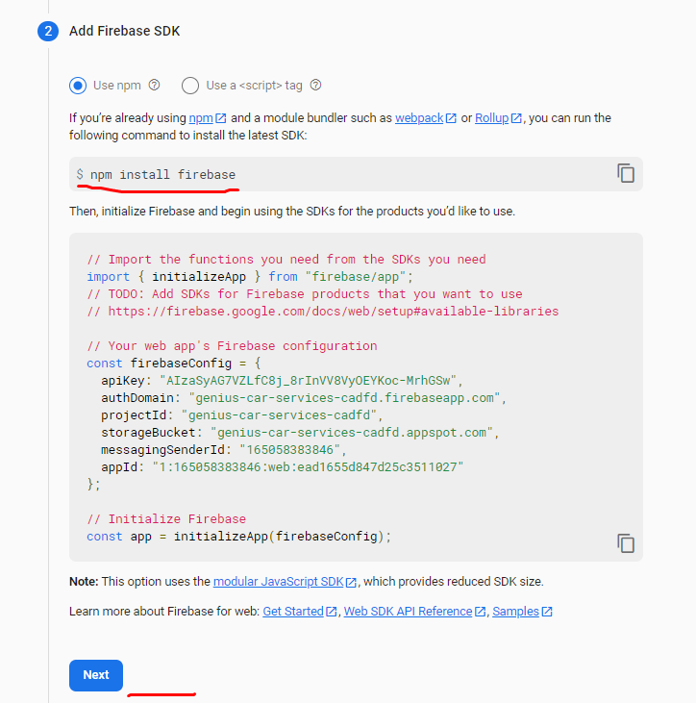

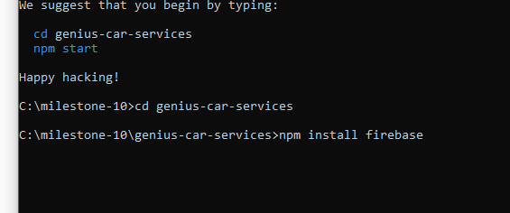

 | vs coder modde project er vitore src folder er modde
 | firebase.init.js name file banabo
 | er vitore |  | aita rakbo

